Guidance Notes
OVERTIME CLAIM FORM - GUIDANCE NOTES

Below are guidance notes for completing the form, only the fields that you need to fill will be accessible. HOW TO FIND YOUR APPOINTMENT ID: - When you were appointed you will have received a new starter email sent to your Oxford Brookes employee email address, which includes the appointment id. You can also find details of your Appointment ID(s) and Contract(s) via the Staff HR Portal as shown in the screen shots below. Log into the Staff HR Portal and select ‘Employee Profile’ from the Quick Jump Menu, then select Contract from the left hand list. This will display your contracts, the Appointment ID (key symbol) and Job Title. Ensure you select the appropriate one for your claim.
In this example you can see that the Associate Lecturer contract has been selected and that there is additional information available to you.
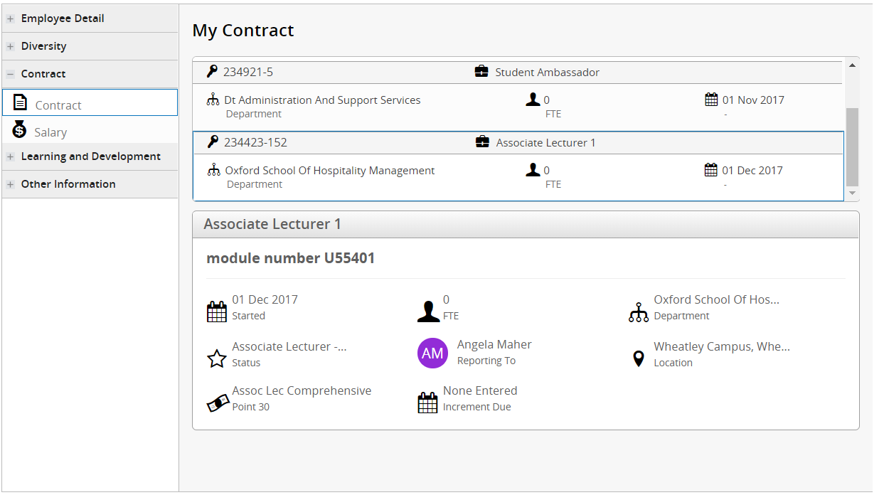

In order to ensure claims are processed without delay, please note the following:
> If you have worked more than one work pattern during the period of overtime please use separate claim forms.
> The maximum hourly rate for which overtime is payable is the top of incremental scale Grade 8.
> All sections of the claim form must be completed. NB Failure to provide information in full, as
appropriate will result in the form being returned to you and potentially not being paid until the
following month.
> Total Overtime Hours – the total should be entered as e.g. 5.25 for 5 ¼ hours, 5.50 for 5 ½ hours, 5.75 for 5 ¾ hrs etc. If you have worked over 6 hours in a day, ensure you deduct 30 minutes for your unpaid break.
> The claim form must be signed by both the employee undertaking the overtime and countersigned
by the Head of Faculty / Director or other authorised signatory.
> Overtime is normally only agreed by the Directorate of Human Resources for the following reasons:
- Cover for a vacant post.
- Cover for a long term sickness.
- Additional workload where funds are available to fund the overtime.

* All claims must be submitted to the Payroll Team by 5 pm on the 10th of the month following
checking and authorisation by the Faculty/Directorate- | finance-payroll@brookes.ac.uk

Last updated - April 2018

