Guidance
Claim Form Guidance
This Claim Form is for use by the following types of employee:

o Associate Researchers
o Variable Hours
o Tier 4 Student Casual
o Tier 4 Associate Lecturer
Where to find the Claim Form
http://www2.brookes.ac.uk/services/hr/handbook/forms/index.html

o The Excel Sheet is named ‘CLAIM FORM- v1.20’, open and use in Excel, other methods corrupt the form.
o Office 365 can be downloaded free if you need, please read the article on this link:-
https://brookes.service-now.com/kb_view.do?sysparm_article=KB0011776
o Download and save a copy of the form using the following naming method for the document ‘Claim-Name-Month-Year’ e.g. ‘Claim – Sally Jones – Jan 2021’
o Proceed to fill out the form (Guidance notes below) and save before submitting to your Authorising Signatory.
o Take care that the most up to date version of the form is always used by using the above link. Any incorrect claim forms will be returned to you.
Below are guidance notes for completing the new form, only the fields that you need to fill will be accessible. When you were appointed you will have received a new starter email sent to your Oxford Brookes employee email address, which includes the appointment id. You can also find details of your Appointment ID(s) and Contract(s) via the Staff HR Portal as shown in the screen shots below. Log into the Staff HR Portal and select ‘Employee Profile’ from the Quick Jump Menu, then select Contract from the left hand list. This will display your contracts, the Appointment ID (key symbol) and Job Title. Ensure you select the appropriate one for your claim.
In this screenshot you can see that the Associate Lecturer contract has been selected and that there is additional information available to you, which includes module numbers you have been assigned to lecture for.

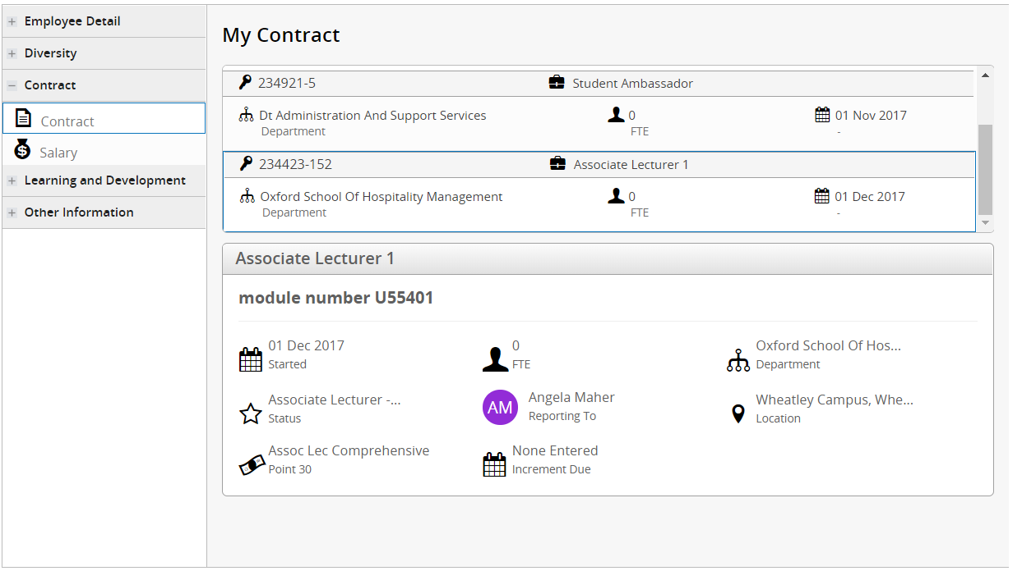

My Current Appointments also shows the Appointment ID and the Job Title.



PLEASE ENSURE AS AN EMPLOYEE YOU:
Ø Complete the form electronically through to the point of signature (Typed detail is easier to read and quicker to process than hand written script)
Ø Use ONE claim form per Appointment Id
Ø Claim only for hours actually worked and in multiples of ¼ hr
Ø Claim at least monthly, or fortnightly if you work daily

CLAIM FORM FIELDS:
Employee Type – Select from the drop down list.
Tier 4 Visa Holder - Select from the drop down list.
Job Title – only necessary if you hold more than one appointment.
Faculty /Directorate – Select from the drop down list.
Employee Number – This is your ‘p’ number and will be on your contract and also recorded in your New Starter emails. You use this number to log into the University network and into the Staff HR Portal.
Appointment ID – This is the post number you are appointed to, plus a sequence number of up to three digits e.g. 234424–12. The Appointment Id is made up of the Post number plus a sequential number which denotes the number of the person appointed to the post e.g. 234424-12 - being the 12th person appointed to this post.
Forename(s), Surname
Module Number or Reason for Work – as applicable
Date – in the format 10/04/21
Time From, Time To – in 24 hour format e.g. 11.00 - 15.30
Daily Hours – the total should be entered as e.g. 5.25 for 5 ¼ hours, 5.50 for 5 ½ hours, 5.75 for 5 ¾ hrs etc. If you have worked over 6 hours in a day, ensure you deduct 30 minutes for your unpaid break. Claims should not include time of less than 15 minutes.
Total Hours – automatically calculates.
Annual Leave Hours – only if a Variable Hours employee. Your Line Manager should advise or fill this out for you.
Total incl. AL Hours – automatically calculates.
Claimant Signature - employee signature or type in Italics and forward by email to Authoriser. The form must be with the Budget Holder / Head of Department in time to reach Payroll by their deadline. Therefore, it is advised that claims are completed in accordance with your Faculty / Directorate deadlines.
Final Claims - If this is the last claim you will be submitting for this appointment ID, please ensure that you type YES in the relevant box at the bottom of the form. If you are leaving the University and will no longer be working in any role, please ensure your address in the Staff HR Portal is correct in order to receive your P45 and final payslip.

PLEASE ENSURE AS AN AUTHORISED SIGNATORY YOU:
Ø Check the hours are correct and have been worked in accordance with the contract
Ø Check that cost codes are entered and are complete
Ø Return any incorrect claims to the employee for resubmission to you.
Ø Send authorised completed and correct claims direct to the Payroll Team according to the Payroll Cycle.

NB: if an employee has worked, the University is legally obliged to pay them, so controls need to be in place prior to a claim being made to ensure that contracts are not breached. There should also be strict checks in place to avoid Tier 4 students working more than the permitted hours.
Cost Codes – these should be fully completed. Hours are only needed if there is a split of coding. Use the following Account Codes as appropriate.

Authorised Signatory (Budget Holder) – the Budget Holder should sign unless this task has been delegated to another on the Authorised Signatory list.
If the signature is not manual, then to ensure a proper audit trail is evident, Payroll can only accept claims with a PDF signature if they are received in an email from the authoriser, or the authoriser is copied into the email to provide assurance that the authoriser has actually seen the claims. This also provides evidence of receipt by the deadline for payment and if any claims are missed, there is a permanent record of what has been received by the Payroll Team and when. A typed signature will be accepted in exceptional circumstances but only if the authoriser themselves have sent the claim from their own Brookes email address.

Submit all Claim forms via email to Payroll - finance-payroll@brookes.ac.uk before the deadline (see Payroll Cycle)

